Instructions
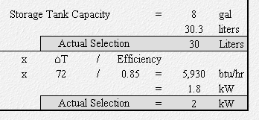
USER INSTRUCTIONS
All Calculations are Based on ASHRAE 2015 Applications, Chap 50
(Table 10,2015 HVAC Systems and applications ashrae hand book)
Step 1
Select application type from the drop down menu.
The drop down will only show once the user clicks inside cell "D8"

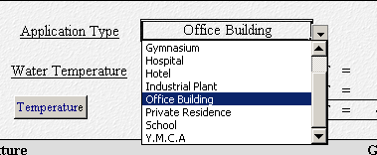
Click Inside Cell "D8"
& Drop Down will appear automatically

Step 2
Select the proper entering water temperatures, By clicking on the "Temperature" button.
The following window will show:
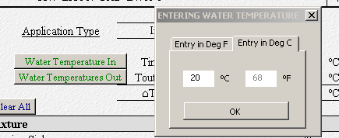

The temperature can be entered either in ºF or in ºC. The conversion is automatic.

Step 3
Select the proper leaving water temperatures, By clicking on the "Temperature" button.

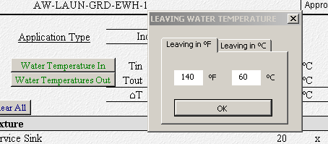

The leaving water temperature needs to be selected carefully. Referring to ASHRAE
Applications Handbook, Chapter 49: Service Water Heating: "Service water temperature in the
140ºF range is recommended to limit the potential for Legionella pneumophilia growth"

In that perspective, any selected temperature below 140ºF (60ºC) will result in an error message
as shown below:

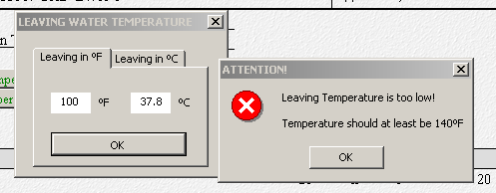

The message will keep on appearing until the user enter a leaving temperature equal
or greater to 140ºF (60ºC)

Step 4
The "Clear All" button clears the sheet from previous calculations

Select the fixtures from the drop down list that will show once the cell activated.

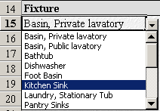
Click Inside Cell "A15"
& Drop Down will appear automatically

Once the fixture selected, the corresponding GPH will show automatically

Step 5
The showers have been intentionally left out of the list, to allow for gpm adjustments.
The following is extracted from ASHRAE
"Flow can usually be reduced to 50% of the manufacturer’s maximum flow rating
without adversely affecting the spray pattern of the shower head. Flow control valves are
commonly available with capacities from 1.5 to 4.0 gpm."
"If the manufacturer’s flow rate for a shower head is not available and no flow control
valve is used, the following average flow rates may serve as a guide for sizing the
water heater

 | Small shower head: | 2.5 | gpm = | 150 | gph
 | Medium shower head: | 4.5 | gpm = | 270 | gph
 | Large shower head: | 6.0 | gpm = | 360 | gph

The "Shower Factor" defined here allows the user to modify the shower gph based on the
above ASHRAE recommendation, only when the shower GPH = 225.

For all flows smaller than 225 gph the factor automatically becomes equal to "1"

In other situation where the shower GPH is below 225, the factor becomes "1"

Step 6

Here, other items not found in the list can be included (up to 2 items), this feature is for
additional flexibility

Step 7
Once all the above steps are completed, the sheet automatically calculates the Demand &
Storage capacity based upon ASHRAE default factors extracted from table 8.
Flexibility is given to the user to modify these factor.

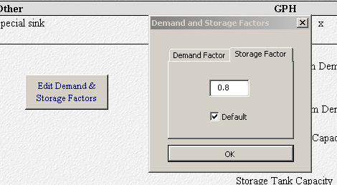

By default, when the edit button is clicked, the current value will show in the dialog box.
If the current value is the default, the "default" check boxes will be checked.

If a factor is modified, the "Custom" indication will appear next to the factor as show below:
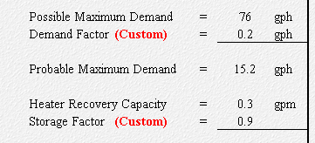

Here both factors have been changed and the "Custom" indication appears in bold red

Whenever, a new type of "Application" is selected, the default values of the application will
be shown.
To restore the default value of modified factors, the "Default" check box should be clicked.

Step 8

Based on the recovery capacity, the coil capacity will be calculated based on the following
equation (6)
 |  |  | q = | Heater input, Btu/hr
 |  |  | Qh = | flow rate, gph
 |  |  | cp= | Specific heat of water = 1.00 btu/lb.ºF
 |  |  | ⌂T = | Temperature rise, ºF
 |  |  | = | Heater Efficiency
When specifying Qh in gpm, equation (6) becomes:

The user has the option to edit the Heater efficiency factor as shown below.

Step 9
Once the Heater capacity in Volume and kW is calculated, the user is allowed to enter
the final values of his choice in the shaded "Actual Selection" areas
These values shall be reported to Equipment Schedule on the drawings.

Main
of
Design calculation sheet
Project no: |  |  | Date: | 2022-12-15 | Sheet no.: | 1 | 1 | Computed by: |  | M.J.
Subject: | PJ- Houses 1&2 |  |  |  |  |  |  | Checked by:
 | Hot Water Calculation |  |  |  |  |  |  | Approved by:

 | Application Type |  | Private Residence

 | Water Temperature |  | Tin | = | 50 | ºF = | 10 | ºC
 |  |  | Tout | = | 140 | ºF = | 60 | ºC
 |  |  | ⌂T | = | 90 | ºF = | 50 | ºC

Fixture |  |  |  |  |  |  | GPH |  | QTY.
Basin, Private lavatory |  |  |  |  |  |  | 2 | x | 6 | = | 12 | gph
Laundry, Stationary Tub |  |  |  |  |  |  | 20 | x | 1 | = | 20 | gph
Kitchen Sink |  |  |  |  |  |  | 10 | x | 1 | = | 10 | gph
Dishwasher |  |  |  |  |  |  | 15 | x | 1 | = | 15 | gph
Bathtub |  |  |  |  |  |  | 20 | x | 2 | = | 40 | gph

Showers |  |  | GPH |  | Shower Factor |  | GPH |  | QTY.
Showers |  |  | 30 | x | 1 | = | 30 | x | 1 | = | 30 | gph

Other |  |  |  |  |  |  | GPH |  | QTY.

 |  |  |  |  |  | Maximum Possible Demand |  |  |  | = | 127 | gph
 |  |  |  |  |  | Demand Factor |  | (Custom) |  | = | 0.25 | gph

 |  |  |  |  |  | Maximum Probable Demand |  |  |  | = | 31.75 | gph
 |  |  |  |  |  | Maximum Probable Demand |  |  |  | = | 0.53 | gpm
 |  |  |  |  |  |  |  |  |  | = | 0.03 | L/s
 |  |  |  |  |  | Heater Recovery Capacity |  |  |  | = | 0.53 | gpm

 |  |  |  |  |  | Storage Factor |  | (Custom) |  | = | 0.6

 |  |  |  |  |  | Storage Tank Capacity |  |  |  | = | 19.05 | gal
 |  |  |  |  |  |  |  |  |  |  | 72.1 | liters
 |  |  |  |  |  |  | Actual Selection |  |  |  | 73 | Liters
Heater or Coil |  | = | 500 | x | gpm | x | ⌂T | / | Efficiency
Capacity |  | = | 500 | x | 0.53 | x | 90 | / | 0.9 | = | 26,500 | btu/hr
 |  |  |  |  |  |  |  |  |  | = | 7.8 | kW
 |  |  |  |  |  |  | Actual Selection |  |  | = | 8 | kW
of
of

ASHRAE Applications, Table 8
DESIGN CALCULATION
SHEET
of

of
Design calculation sheet
Project no.: |  |  | Date: |  |  | Sheet no.: |  | 1 | 1 | Computed by:
Subject: |  |  |  |  |  |  |  |  |  | Checked by:
 |  |  |  |  |  |  |  |  |  | Approved by:

 | Table 10 Hot-Water Demand per Fixture for Various Types of Buildings
 | (Gallons of water per hour per fixture, calculated at a final temperature of 140ºF)
 |  | Apartment House | Club | Gymnasium | Hospital | Hotel | Industrial Plant | Office Building | Private Residence | School | Y.M.C.A
 | Basin, Private lavatory | 2 | 2 | 2 | 2 | 2 | 2 | 2 | 2 | 2 | 2
 | Basin, Public lavatory | 4 | 6 | 8 | 6 | 8 | 12 | 6 |  | 15 | 8
 | Bathtub | 20 | 20 | 30 | 20 | 20 |  |  | 20 |  | 30
 | Dishwasher | 15 | 100 |  | 100 | 125 | 60 |  | 15 | 60 | 60
 | Foot Basin | 3 | 3 | 12 | 3 | 3 | 12 |  | 3 | 3 | 12
 | Kitchen Sink | 10 | 20 |  | 20 | 30 | 20 | 20 | 10 | 20 | 20
 | Laundry, Stationary Tub | 20 | 28 |  | 28 | 28 |  |  | 20 |  | 28
 | Pantry Sinks | 5 | 10 |  | 10 | 10 |  | 10 | 5 | 10 | 10
 | Service Sink | 20 | 20 |  | 20 | 30 | 20 | 20 | 15 | 20 | 20
 | Hydrotherapeutic Shower |  |  |  | 400
 | Hubbard Bath |  |  |  | 600
 | Leg Bath |  |  |  | 100
DESIGN CALCULATION
SHEET
 | Arm Bath |  |  |  | 35
 | Sitz Bath |  |  |  | 30
 | Continuous Flow Bath |  |  |  | 165
 | Circular Wash Sink |  |  |  | 20 | 20 | 30 | 20 |  | 30
 | Semicircular Wash Sink |  |  |  | 10 | 10 | 15 | 10 |  | 15
 | Showers | 30 | 150 | 225 | 75 | 75 | 225 | 30 | 30 | 225 | 225
 | Demand Factor | 0.3 | 0.3 | 0.4 | 0.25 | 0.25 | 0.4 | 0.3 | 0.3 | 0.4 | 0.4
 | Storage Factor | 1.25 | 0.9 | 1 | 0.6 | 0.8 | 1 | 2 | 0.7 | 1 | 1

Personnal Notes
of
Design calculation sheet
Project no: |  | Date: | Sheet no.: | Computed by:
Subject: |  |  |  | Checked by:
 | Summary Sheet |  |  | Approved by:

